Dashboard
📊 Amazon Prime Content Analysis

 | 9,668 | 7,814 | 1,854 | 1,442
 | Total Titles | Movies | TV Shows | Titles Released in 2021

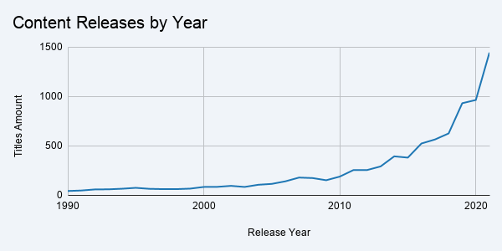

Top Genres by Title Count
TV Shows by Number of Seasons

 | Key Insights

 | 📈 Recent Content: 46.73% of titles were released between 2017–2021, with 2021 reaching a record 1,442 titles.

 | 🎭 Genre Concentration: Drama is the most frequently appearing genre, followed by Comedy and Action.

 | 📺 Single-Season Dominance: 72.38% of TV shows have only one season, while only 27.62% have two or more.

